Sheet1
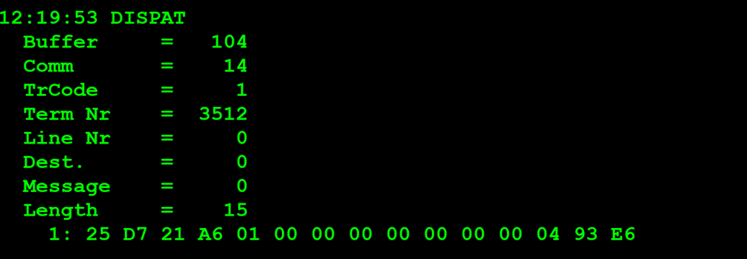
 | TestByte |  | Size | Field Contents |  | Hexa | Bin | Dec
 | Start | End
 | 1 | 1 | 1 | Control | Sequence | 25 | Control=0010 Sequence=1010 | 2 5 | Control -> x10 - Application Message Sequence -> 5
 | 2 | 2 | 1 | Type = 13 | Subtype = 07 | D7 | Type=1101 Subtype=0111 | Type=13 Subtype=7 | Type = 13 Subtype = 7
 | 3 | 4 | 2 | Checksum |  | 21 A6
 | 5 | 5 | 1 | Statistics[1] |  | 01 |  |  | 1 - keyboard entry
 | 6 | 7 | 2 | Option Flags |  | 00 00 |  | 0 | 0
 | 8 | 8+n-1 | n | Option Data[2] |  | N | N | N | N
 | 8+n | 9+n | 2 | Game Number[3] |  | 00 00 |  | 0 | 0
 | 10+n | 11+n | 2 | Continuation Game Number |  | 00 00 |  | 0 | 0
 | 12+n | 15+n | 4 | Retailer Number of Credit Limit (0 if not requested) |  | 00 04 93 E6 |  | 300006 | 0300006 (Agent Number) | Para todos os terminais do mesmo Estabelecimento têm o mesmo Credit Limit. Embora o valor é definido por terminal mas fica definido com o mesmo valor
 |  |  |  |  |  |  |  |  | replay will contain retailer credit limit since agent number or retailer number was provided

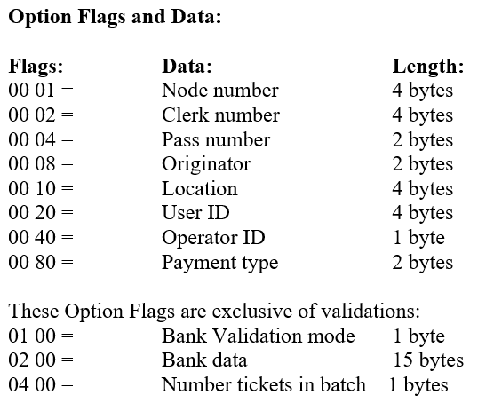
 |  |  |  |  |  |  |  |  |  |  | fim de linha em c o caracter é \0

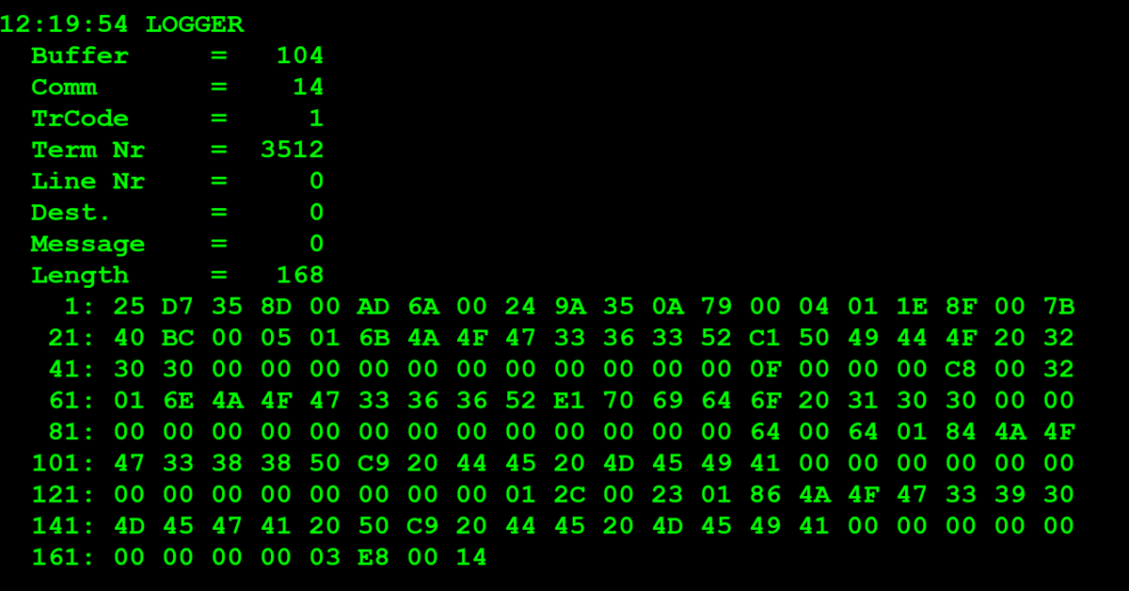
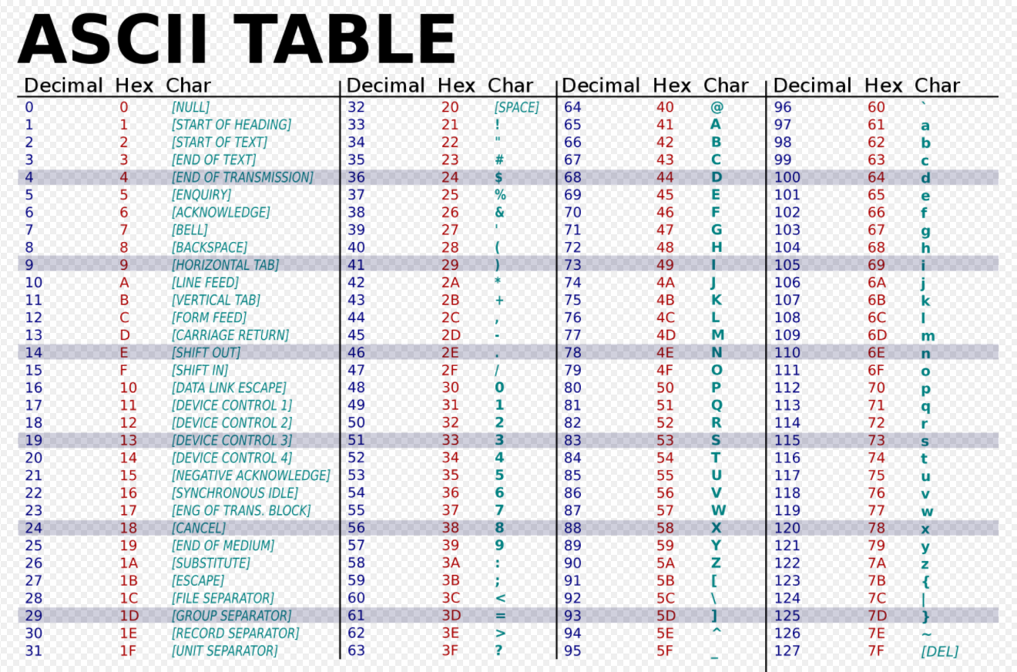
 | TestByte |  | Size | Field Contents |  | Hexa | Bin | Dec
 | Start | End
 | 1 | 1 | 1 | Control | Sequence | 25 | Control=0010 Sequence=1010 | 2 5 | Control -> x10 - Application Message Sequence -> 5
 | 2 | 2 | 1 | Type = 13 | Subtype = 07 | D7 | Type=1101 Subtype=0111 | Type=13 Subtype=7 | Type = 13 Subtype = 7
 | 3 | 4 | 2 | Checksum |  | 35 8D
 | 5 | 7 | 3 | Time Stamp (seconds since midnight) |  | 00 AD 6A |  | 44394 | 12:19:54
 | 8 | 9 | 2 | Julian Date (3 digits, unsigned) |  | 00 24 |  | 36 | 31+5 -> 36 (desdo o inicio do ano)
 | 10 | 12 | 3 | External Serial Number (8 digits, unsigned) |  | 9A 35 0A |  | 10106122 | 10106122
 | 13 | 13 | 1 | Check Digits (3 digits, unsigned) |  | 79 |  | 121
 | 14 | 14 | 1 | Result Code 1 (see below) |  | 00 |  | 0 | No error (Number of entries in Result Code 2) | At least one request needed to get the Credit Limit
 | 15 | 15 | 1 | Result Code 2 (Number of Entries below) |  | 04 |  | 4 | grupos de 4 por resposta
 | 16 | 16 | 1 | “More” Flag (see below) |  | 01 |  | 1 | existe dados para ler na próxima
 | 17 | 18 | 2 | Checksum (see below) |  | 1E 8F
 | 19 | 22 | 4 | Retailer Credit Limit (if requested) |  | 00 7B 40 BC |  | 8077500 | 80.775,00
 | 23 | 24 | 2 | Next Game |  | 00 05 |  | 5 | 5
1 | 25 | 26 | 2 | Game Number |  | 01 6B |  | 363
1 | 27 | 32 | 6 | Short Game Name (6 blank characters (‘20’X)) |  | 4A 4F 47 33 36 33 | JOG363 |  | JOG363
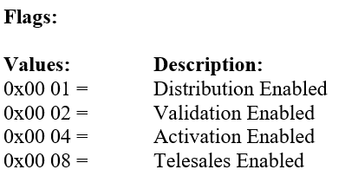
1 | 33 | 52 | 20 | Long Game Name (20 blank characters (‘20’X)) |  | 52 C1 50 49 44 4F 20 32 30 30 00 00 00 00 00 00 00 00 00 00 00 | RÁPIDO 200 |  | RÁPIDO 200 |  |  | Máximo de 40 jogos/maços activos ou seja 10 pedidos máximos
1 | 53 | 54 | 2 | Flags (see below) |  | 00 0F |  |  | 0000 0000 0000 1111
1 | 55 | 58 | 4 | Ticket Cost |  | 00 00 00 C8 |  | 200 | 200 centimos = 2 EUROS
1 | 59 | 60 | 2 | Tickets Per Pack |  | 00 32 |  |  | 50 bilhetes por maço
2 | 61 | 62 | 2 | Game Number |  | 01 6E |  | 366
2 | 63 | 68 | 6 | Short Game Name (6 blank characters (‘20’X)) |  | 4A 4F 47 33 36 36 | JOG366
2 | 69 | 88 | 20 | Long Game Name (20 blank characters (‘20’X)) |  | 52 E1 70 69 64 6F 20 31 30 30 00 00 00 00 00 00 00 00 00 00 | Rápido 100
2 | 89 | 90 | 2 | Flags (see below) |  | 00 00 |  |  | 0 -> distribution disabled
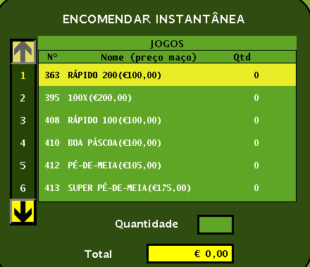
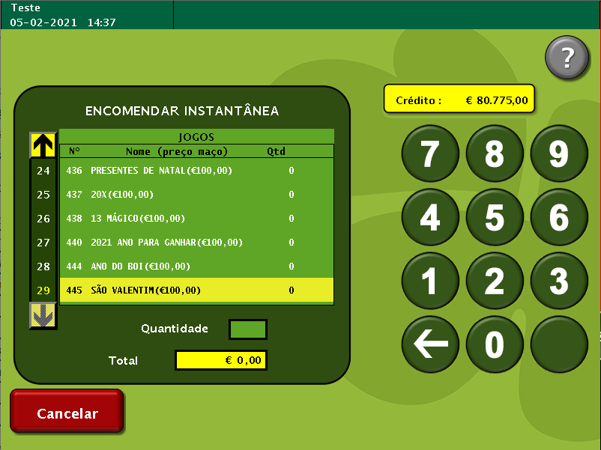
2 | 91 | 94 | 4 | Ticket Cost |  | 00 00 00 64 |  | 100 | 100 centimos
2 | 95 | 96 | 2 | Tickets Per Pack |  | 00 64 |  |  | 100 bilhetes por maço
3 | 97 | 98 | 2 | Game Number |  | 01 84 |  | 388
3 | 99 | 104 | 6 | Short Game Name (6 blank characters (‘20’X)) |  | 4A 4F 47 33 38 38 | JOG388
3 | 105 | 124 | 20 | Long Game Name (20 blank characters (‘20’X)) |  | 50 C9 20 44 45 20 4D 45 49 41 00 00 00 00 00 00 00 00 00 00 | PÉ DE MEIA
3 | 125 | 126 | 2 | Flags (see below) |  | 00 00 |  |  | 0 -> distribution disabled
3 | 127 | 130 | 4 | Ticket Cost |  | 00 00 01 2C |  | 300 | 300 centimos |  |  |  | Crédito: 80.775 euros vai sendo actualizado consuante as encomendas feitas ser feito a dedução ao valor de crédito disponível
3 | 131 | 132 | 2 | Tickets Per Pack |  | 00 23 |  | 35 | 35 bilhetes por maço
4 | 133 | 134 | 2 | Game Number |  | 01 86 |  | 390
4 | 135 | 140 | 6 | Short Game Name (6 blank characters (‘20’X)) |  | 4A 4F 47 33 39 30 | JOG390
4 | 141 | 160 | 20 | Long Game Name (20 blank characters (‘20’X)) |  | 4D 45 47 41 20 50 C9 20 44 45 20 4D 45 49 41 00 00 00 00 | MEGA PÉ DE MEIA
4 | 161 | 162 | 2 | Flags (see below) |  | 00 00 |  | 0 | 0 -> distribution disabled
4 | 163 | 166 | 4 | Ticket Cost |  | 00 00 03 E8 |  | 1000 | 1000 centimos = 5 euros
4 | 167 | 168 | 2 | Tickets Per Pack |  | 00 14 |  | 20 | 20 bilhetes por maço

